23HS22
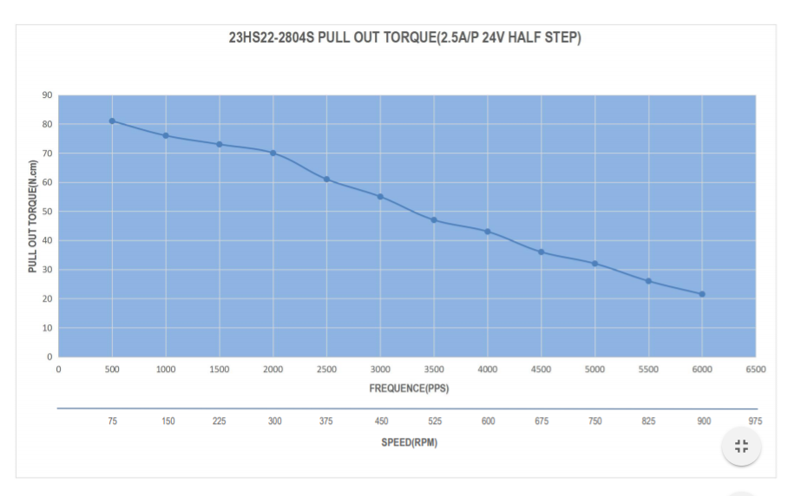
Speed(RPM) | Torque (N-m)
75 | 0.8
150 | 0.75
225 | 0.72
300 | 0.7
375 | 0.61
450 | 0.55
525 | 0.48
600 | 0.42
675 | 0.38
750 | 0.32
825 | 0.28
900 | 0.21

Sheet2
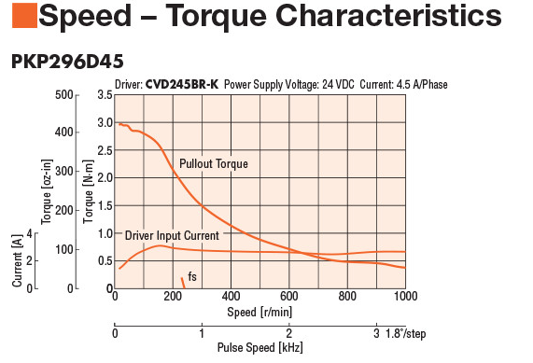
Speed(RPM) | Torque(N-m)
0 | 3
100 | 2.75
200 | 2.1
300 | 1.5
400 | 1.2
500 | 0.8
600 | 0.75
700 | 0.6
800 | 0.5
900 | 0.49
1000 | 0.4

